Sheet1
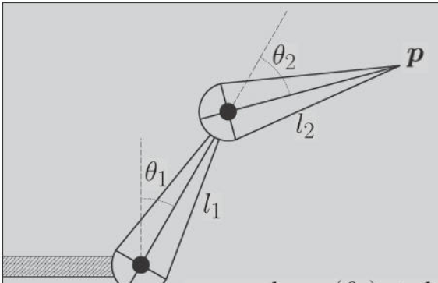
 | Position 1 - Squating | Position 2 - Standing | Position 3 - Sitting | Pos 1 --> 2 | Pos 1 --> 3 | Pos 2 --> 3
theta 1 - back | 135 | 180 | 162.823146 | 45 | 27.823146 | -17.176854
theta 2 - back | 90 | 0 | 59.610529 | -90 | -30.389471 | 59.610529
theta 1 - front | 225 | 180 | 139.25 | -45 | -85.75 | -40.75
theta 2 - front | 270 | 0 | 0 | -270 | -270 | 0

